ESO
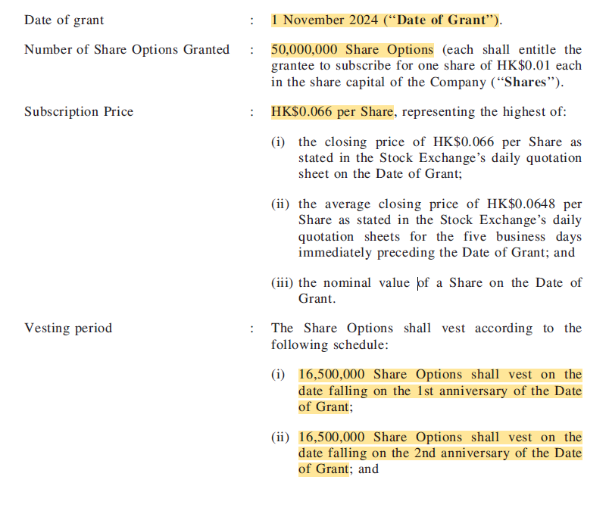
 | In HKD unless otherwise stated in this worksheet
 | Client | {{Client Name}}
 | Valuation Subject | {{Valuation Subject}}
 | Valuation Date | {{Valuation Date}}
 | ESOP for Ms. Zhang Qing

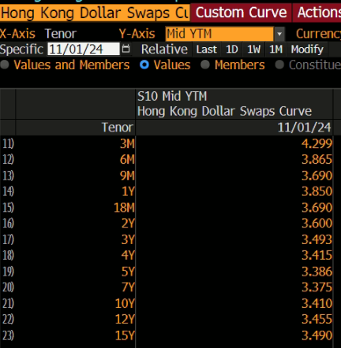
 | Parameters |  |  |  | Risk-free Rate
 | Item | Value
 | Grant Date | {{Grant Date of the Subject}}
 | Maturity Date | {{Maturity Date}}
 | Total number of share options | {{Total No. of Share Options}}

 | Option Pricing Model
 | Item | Batch 1 | Batch 2 | Note
 | Number of Options | {{No. of Share Options1}} | {{No. of Share Options2}}
 | Vesting Date | {{Vesting Date1}} | {{Vesting Date2}}
 | Spot Price (HKD) | {{Spot Price}} | {{Spot Price}}
S | Strike Price (HKD) | {{Spot Price}} | {{Spot Price}} |  |  | Tenor | Rfr
X | Time to Maturity | {{Time to Maturity}} | {{Time to Maturity}} |  |  | 7 | 3.38%
T | Volatility | {{Volatility}} | {{Volatility}} | 520-week historical volatility |  | 10 | 3.41%
V | Risk-free Rate | {{Risk-free Rate}} | {{Risk-free Rate}} |  |  | {{Time to Maturity}} | #VALUE!
R | Dividend Yield | {{Dividend Yield}} | {{Dividend Yield}}
D | Exercise Multiple | {{Exercise Multiple}} | {{Exercise Multiple}} | Empirical study
 | Pre-vesting Exit Rate | 0.00% | 0.00%
 | Post-vesting Exit Rate | {{Post-vesting Exit Rate}} | {{Post-vesting Exit Rate}} | Average 5-year turnover ratio of management grade staff
 | Time to Vest | {{Time to Vest1}} | {{Time to Vest2}}
 | Value per Option | {{PerOptionValue1}} | {{PerOptionValue2}}
 | Total Value | #VALUE! | #VALUE!
 |  | #VALUE! | #VALUE!

 |  |  |  |  | Share Price
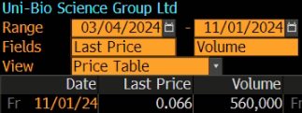

 |  |  |  |  | Dividend Yield
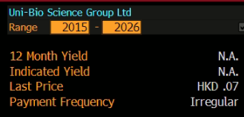

 |  |  |  |  | Volatility
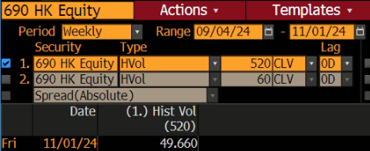

 |  |  |  |  | Exercise Multiple (Source: ACCOUNTING FOR EMPLOYEE STOCK OPTIONS, John Hull and Alan White)
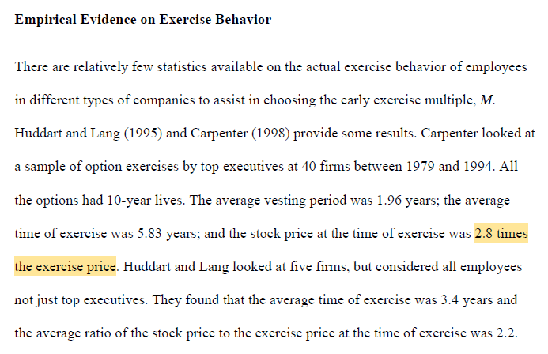

 |  |  |  |  | Terms of the ESO

